TDF Calculator
Table Difficulty Factor (TDF) Calculator

Select Unit of Measure

Select Table Size
Table
Select Table Size…

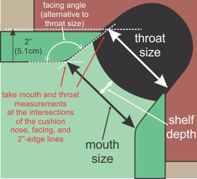
Enter Measurements |  |  |  | Quick Reference Guide:
Type | Input | Units
Mouth Size: |  | Inches
Throat Size: |  | Inches | Throat Size OR Facing Angle is required. NOT BOTH.
Facing Angle: |  | Degrees
Shelf Depth: |  | Inches

Results
Type | Factor
Table Size:
Pocket Size:
Pocket Angle:
Pocket Shelf:
TDF (Rating)

Table Difficulty Overview
Table Difficulty | 100 | (4) | 4
Pocket Shelf | 100 | (4) | 4
Pocket Angle | 100 | (4) | 4
Pocket Size | 100 | (4) | 4
Table Size | 100 | - | 4

 |  |  | For more information, see the TDF Resource Page
 |  |  | billiards.colostate.edu/faq/table/tdf

 |  |  | Spreadsheet Author: Adam Bishop

